Logical
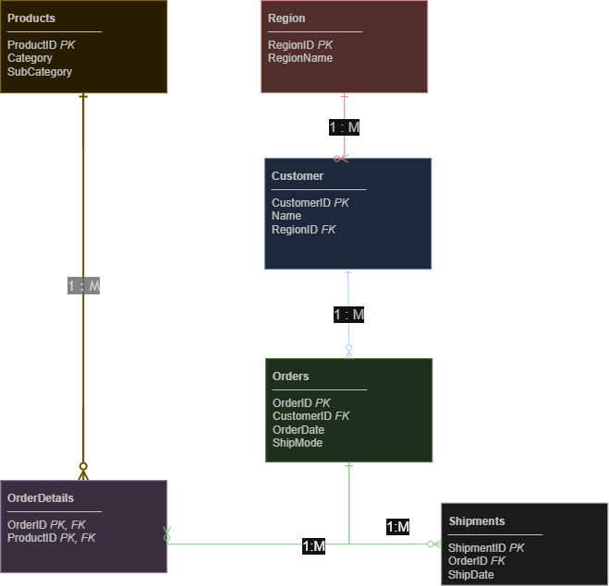
Entity | Attribute | Data Type | PK/FK | Notes
Customer | CustomerID | INT | PK | Surrogate key
Customer | Name | VARCHAR
Customer | RegionID | INT | FK | Linked to Region
Orders | OrderID | INT | PK | Auto increment
Orders | CustomerID | INT | FK | Linked to Customer
Orders | OrderDate | DATE
Orders | ShipMode | VARCHAR
Products | ProductID | INT | PK
Products | Category | VARCHAR
Products | SubCategory | VARCHAR
Shipments | ShipmentID | INT | PK
Shipments | OrderID | INT | FK | Linked to Orders
Shipments | ShipDate | DATE
OrderDetails | OrderID | INT | PK,FK | Linked to Orders
OrderDetails | ProductID | INT | PK,FK | Linked to Products
Region | RegionID | INT | PK
Region | RegionName | VARCHAR

Conceptual
